FV_case_4_Winter_8_19_2024_9_22
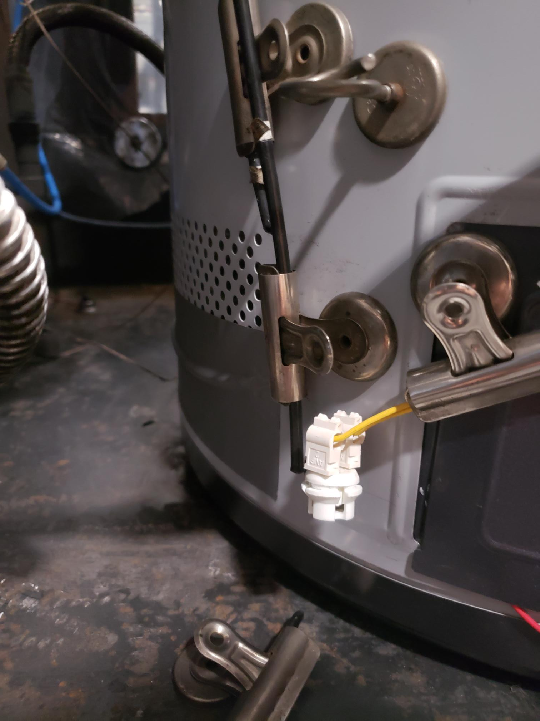
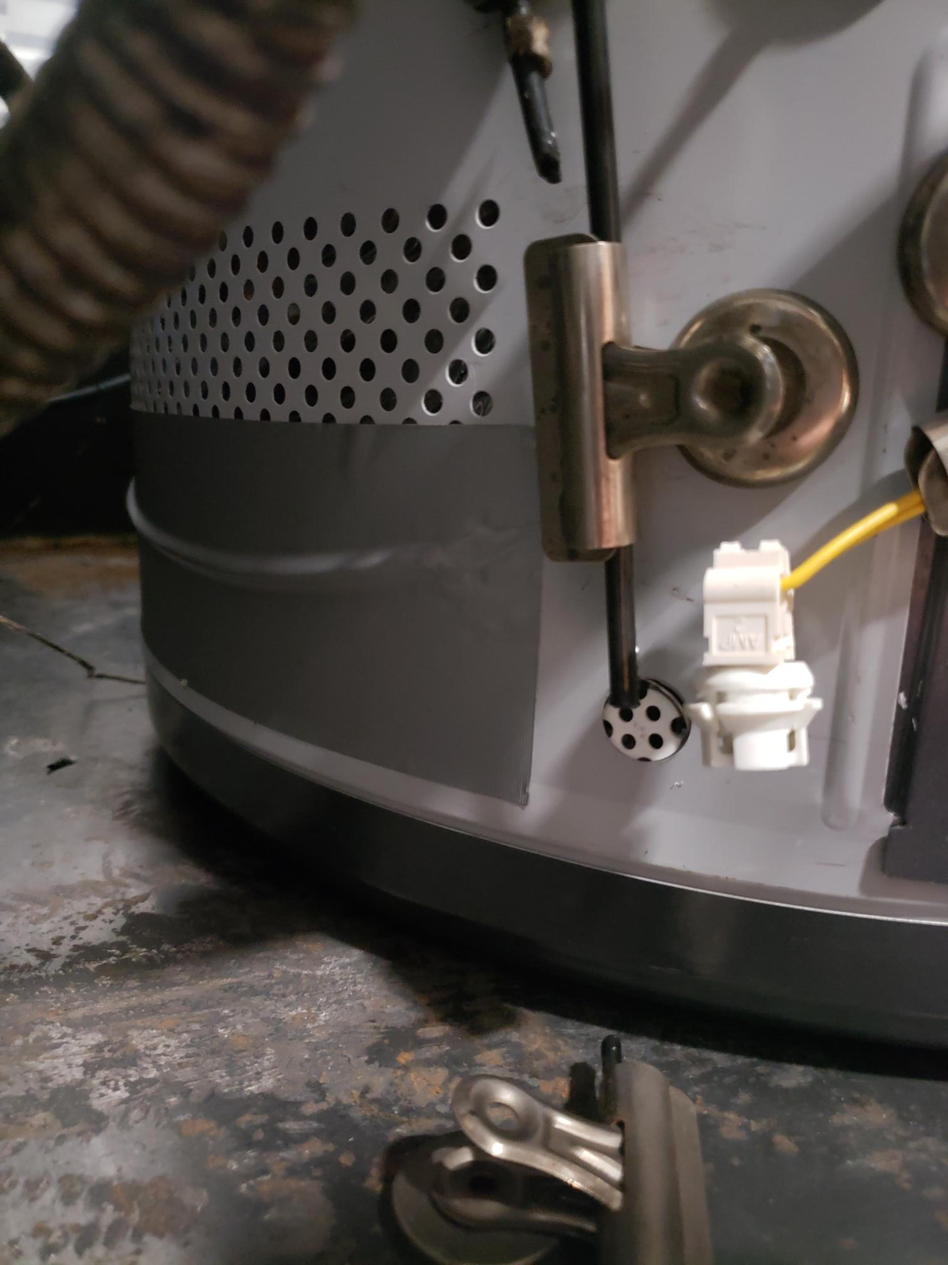
1
 |  | Time Increment | 0
System Date | System Time | Elapsed Time (sec) |  | Floor no 1 (°F) - PL0001 | Floor no 2 (°F) - PL0002 | Floor no 3 (°F) - PL0003 | Floor no 4 (°F) - PL0004 | Actuator Can - Work Position | SRI8610C Channel 1 Butane % (Top of Perf) | SRI8610C Channel 2 Butane % | Floor Channel 3 Butane % | Front of Lower Left FV Sensor Channel 4 Butane % | Current Location (Right Side of Gas Valve) | Outside of Wrapper In Front of New FV Sensor Location (Left Side)
2024-08-19 | 9:25:34 | 0 | 0 | 73.8 | 71.2 | 70.8 | 71.7 | 1 | 0 | 0.8611 | 0 | 0 | 32.076 | 34.8746
 | SRI8610C Channel 1 Butane % (Top of Perf) | SRI8610C Channel 2 Butane % | Floor Channel 3 Butane % | Front of Lower Left FV Sensor Channel 4 Butane % | Outside of Wrapper In Front of New FV Sensor Location (Left Side)
0 | 0 | 0.8611 | 0 | 0 | 34.8746
0 | 0 | 0.8611 | 0 | 0 | 34.8746
1 | 0 | 0.8611 | 0 | 0 | 35.0899
1 | 0 | 0.8611 | 0 | 0 | 35.0899
1 | 0 | 0.8611 | 0 | 0 | 35.0899
2 | 0 | 0.8611 | 0 | 0 | 34.8746
2 | 0 | 0.8611 | 0 | 0 | 34.8746
3 | 0 | 0.8611 | 0 | 0 | 35.1975
3 | 0 | 0.8611 | 0 | 0 | 35.1975
4 | 0 | 0.8611 | 0 | 0 | 35.0899
4 | 0 | 0.8611 | 0 | 0 | 35.0899
5 | 0 | 0.8611 | 0 | 0 | 35.1975
5 | 0 | 0.8611 | 0 | 0 | 35.1975
6 | 0 | 0.8611 | 0 | 0 | 35.0899
6 | 0 | 0.8611 | 0 | 0 | 35.0899
7 | 0 | 0.8611 | 0 | 0 | 34.767
7 | 0 | 0.8611 | 0 | 0 | 34.767
8 | 0 | 0.8611 | 0 | 0 | 35.0899
8 | 0 | 0.8611 | 0 | 0 | 35.0899
9 | 0 | 0.8611 | 0 | 0 | 35.0899
9 | 0 | 0.8611 | 0 | 0 | 35.0899
10 | 0 | 0.8611 | 0 | 0 | 35.0899
10 | 0 | 0.8611 | 0 | 0 | 35.0899
11 | 0 | 0.8611 | 0 | 0 | 35.1975
11 | 0 | 0.8611 | 0 | 0 | 35.1975
12 | 0 | 0.8611 | 0 | 0 | 34.8746
12 | 0 | 0.8611 | 0 | 0 | 34.8746
13 | 0 | 0.8611 | 0 | 0 | 34.8746
13 | 0 | 0.8611 | 0 | 0 | 34.8746
14 | 0 | 0.8611 | 0 | 0 | 35.1975
14 | 0 | 0.8611 | 0 | 0 | 35.1975
15 | 0 | 0.8611 | 0 | 0 | 34.9822
15 | 0 | 0.8611 | 0 | 0 | 34.9822
16 | 0 | 0.8611 | 0 | 0 | 34.8746
16 | 0 | 0.8611 | 0 | 0 | 34.8746
17 | 0 | 0.8611 | 0 | 0 | 35.0899
17 | 0 | 0.8611 | 0 | 0 | 35.0899
18 | 0 | 0.8611 | 0 | 0 | 34.9822
18 | 0 | 0.8611 | 0 | 0 | 34.9822
19 | 0 | 0.8611 | 0 | 0 | 34.767
19 | 0 | 0.8611 | 0 | 0 | 34.767
20 | 0 | 0.8611 | 0 | 0 | 35.1975
20 | 0 | 0.8611 | 0 | 0 | 35.1975
21 | 0 | 0.8611 | 0 | 0 | 34.8746
21 | 0 | 0.8611 | 0 | 0 | 34.8746
22 | 0 | 0.8611 | 0 | 0 | 34.6593
22 | 0 | 0.8611 | 0 | 0 | 34.6593
23 | 0 | 0.8611 | 0 | 0 | 35.0899
23 | 0 | 0.8611 | 0 | 0 | 35.0899
24 | 0 | 0.8611 | 0 | 0 | 35.0899
...
2024-08-19 | 9:25:34 | 0 | 0 | 73.8 | 71.2 | 70.8 | 71.7 | 1 | 0 | 0.8611 | 0 | 0 | 32.076 | 34.8746
2024-08-19 | 9:25:35 | 1 | 1 | 73.3 | 71.2 | 70.8 | 71.7 | 1 | 0 | 0.8611 | 0 | 0 | 31.8607 | 35.0899
2024-08-19 | 9:25:35 | 1 | 1 | 73.3 | 71.2 | 70.8 | 71.7 | 1 | 0 | 0.8611 | 0 | 0 | 31.8607 | 35.0899
2024-08-19 | 9:25:35 | 1 | 1 | 73.3 | 71.2 | 70.8 | 71.7 | 1 | 0 | 0.8611 | 0 | 0 | 31.8607 | 35.0899
2024-08-19 | 9:25:36 | 2 | 2 | 73.6 | 71.2 | 70.8 | 71.7 | 1 | 0 | 0.8611 | 0 | 0 | 31.7531 | 34.8746
2024-08-19 | 9:25:36 | 2 | 2 | 73.6 | 71.2 | 70.8 | 71.7 | 1 | 0 | 0.8611 | 0 | 0 | 31.7531 | 34.8746
2024-08-19 | 9:25:37 | 3 | 3 | 73.6 | 71.2 | 70.8 | 71.7 | 1 | 0 | 0.8611 | 0 | 0 | 31.9684 | 35.1975
2024-08-19 | 9:25:37 | 3 | 3 | 73.6 | 71.2 | 70.8 | 71.7 | 1 | 0 | 0.8611 | 0 | 0 | 31.9684 | 35.1975
2024-08-19 | 9:25:38 | 4 | 4 | 73.3 | 71.2 | 70.8 | 71.7 | 1 | 0 | 0.8611 | 0 | 0 | 31.9684 | 35.0899
2024-08-19 | 9:25:38 | 4 | 4 | 73.3 | 71.2 | 70.8 | 71.7 | 1 | 0 | 0.8611 | 0 | 0 | 31.9684 | 35.0899
2024-08-19 | 9:25:39 | 5 | 5 | 73.3 | 71.2 | 70.8 | 71.7 | 1 | 0 | 0.8611 | 0 | 0 | 31.8607 | 35.1975
Channel 2 seems suspect. Maybe the foam dam was not pressed down enough to create a seal. Investingating.
Channel 1 is also suspect
2024-08-19 | 9:25:39 | 5 | 5 | 73.3 | 71.2 | 70.8 | 71.7 | 1 | 0 | 0.8611 | 0 | 0 | 31.8607 | 35.1975
2024-08-19 | 9:25:40 | 6 | 6 | 73.3 | 71 | 70.8 | 71.7 | 1 | 0 | 0.8611 | 0 | 0 | 32.076 | 35.0899
2024-08-19 | 9:25:40 | 6 | 6 | 73.3 | 71 | 70.8 | 71.7 | 1 | 0 | 0.8611 | 0 | 0 | 32.076 | 35.0899
4
2024-08-19 | 9:25:41 | 7 | 7 | 73.3 | 71 | 70.8 | 71.7 | 1 | 0 | 0.8611 | 0 | 0 | 31.5378 | 34.767
2024-08-19 | 9:25:41 | 7 | 7 | 73.3 | 71 | 70.8 | 71.7 | 1 | 0 | 0.8611 | 0 | 0 | 31.5378 | 34.767
2024-08-19 | 9:25:42 | 8 | 8 | 72.6 | 71.2 | 70.8 | 71.7 | 1 | 0 | 0.8611 | 0 | 0 | 32.076 | 35.0899
2024-08-19 | 9:25:42 | 8 | 8 | 72.6 | 71.2 | 70.8 | 71.7 | 1 | 0 | 0.8611 | 0 | 0 | 32.076 | 35.0899
2024-08-19 | 9:25:43 | 9 | 9 | 72.6 | 71.2 | 70.8 | 71.7 | 1 | 0 | 0.8611 | 0 | 0 | 31.8607 | 35.0899
2024-08-19 | 9:25:43 | 9 | 9 | 72.6 | 71.2 | 70.8 | 71.7 | 1 | 0 | 0.8611 | 0 | 0 | 31.8607 | 35.0899
2024-08-19 | 9:25:44 | 10 | 10 | 72.4 | 71.2 | 70.8 | 71.7 | 1 | 0 | 0.8611 | 0 | 0 | 31.8607 | 35.0899
2024-08-19 | 9:25:44 | 10 | 10 | 72.4 | 71.2 | 70.8 | 71.7 | 1 | 0 | 0.8611 | 0 | 0 | 31.8607 | 35.0899
2024-08-19 | 9:25:45 | 11 | 11 | 72.4 | 71.2 | 70.8 | 71.7 | 1 | 0 | 0.8611 | 0 | 0 | 31.8607 | 35.1975
2024-08-19 | 9:25:45 | 11 | 11 | 72.4 | 71.2 | 70.8 | 71.7 | 1 | 0 | 0.8611 | 0 | 0 | 31.8607 | 35.1975
2024-08-19 | 9:25:46 | 12 | 12 | 72.1 | 71.2 | 70.8 | 71.7 | 1 | 0 | 0.8611 | 0 | 0 | 31.9684 | 34.8746
2024-08-19 | 9:25:46 | 12 | 12 | 72.1 | 71.2 | 70.8 | 71.7 | 1 | 0 | 0.8611 | 0 | 0 | 31.9684 | 34.8746
2024-08-19 | 9:25:47 | 13 | 13 | 72.1 | 71.2 | 70.8 | 71.7 | 1 | 0 | 0.8611 | 0 | 0 | 31.6455 | 34.8746
1
2024-08-19 | 9:25:47 | 13 | 13 | 72.1 | 71.2 | 70.8 | 71.7 | 1 | 0 | 0.8611 | 0 | 0 | 31.6455 | 34.8746
2024-08-19 | 9:25:48 | 14 | 14 | 72.1 | 71.2 | 70.8 | 71.7 | 1 | 0 | 0.8611 | 0 | 0 | 31.9684 | 35.1975
 | Outside of Wrapper In Front of New FV Sensor Location (Left Side) |  | Current Location (Right Side of Gas Valve) |  | VOC Sensor (kOhms)-Evirocom
0 | 34.8746 | 0 | 32.076 | 0 | 20.5
0 | 34.8746 | 0 | 32.076 | 1.216 | 20.5
1 | 35.0899 | 1 | 31.8607 | 15.917 | 20.5
1 | 35.0899 | 1 | 31.8607 | 16.591 | 20.5
1 | 35.0899 | 1 | 31.8607 | 29.933 | 20.5
2 | 34.8746 | 2 | 31.7531 | 49.258 | 21.5
2 | 34.8746 | 2 | 31.7531 | 53.057 | 22.5
3 | 35.1975 | 3 | 31.9684 | 56.092 | 25
3 | 35.1975 | 3 | 31.9684 | 58.886 | 27
4 | 35.0899 | 4 | 31.9684 | 61.941 | 27.5
4 | 35.0899 | 4 | 31.9684 | 68.541 | 27
5 | 35.1975 | 5 | 31.8607 | 71.574 | 26.5
5 | 35.1975 | 5 | 31.8607 | 75.582 | 26
6 | 35.0899 | 6 | 32.076 | 78.949 | 25.5
6 | 35.0899 | 6 | 32.076 | 84.534 | 25
7 | 34.767 | 7 | 31.5378 | 87.075 | 25.5
7 | 34.767 | 7 | 31.5378 | 95.933 | 26
8 | 35.0899 | 8 | 32.076 | 99.492 | 26.5
8 | 35.0899 | 8 | 32.076 | 106.868 | 27.5
9 | 35.0899 | 9 | 31.8607 | 109.643 | 29
9 | 35.0899 | 9 | 31.8607 | 112.15 | 30.5
10 | 35.0899 | 10 | 31.8607 | 114.941 | 32.5
10 | 35.0899 | 10 | 31.8607 | 117.725 | 35
11 | 35.1975 | 11 | 31.8607 | 121.042 | 37
11 | 35.1975 | 11 | 31.8607 | 123.832 | 38
12 | 34.8746 | 12 | 31.9684 | 126.639 | 39
12 | 34.8746 | 12 | 31.9684 | 130.707 | 40
13 | 34.8746 | 13 | 31.6455 | 133.266 | 41.5
13 | 34.8746 | 13 | 31.6455 | 136.474 | 44.5
14 | 35.1975 | 14 | 31.9684 | 138.791 | 46.5
14 | 35.1975 | 14 | 31.9684 | 142.075 | 48
15 | 34.9822 | 15 | 31.9684 | 145.125 | 49.5
15 | 34.9822 | 15 | 31.9684 | 148.424 | 50.5
16 | 34.8746 | 16 | 31.7531 | 158.849 | 51.5
16 | 34.8746 | 16 | 31.7531 | 162.666 | 54.5
17 | 35.0899 | 17 | 31.8607 | 165.192 | 56.5
17 | 35.0899 | 17 | 31.8607 | 168.258 | 58.5
18 | 34.9822 | 18 | 31.8607 | 171.3 | 61
18 | 34.9822 | 18 | 31.8607 | 173.856 | 63.5
19 | 34.767 | 19 | 31.6455 | 176.4 | 67.5
19 | 34.767 | 19 | 31.6455 | 179.198 | 76
20 | 35.1975 | 20 | 31.7531 | 181.723 | 80.5
20 | 35.1975 | 20 | 31.7531 | 184.529 | 83.5
21 | 34.8746 | 21 | 31.6455 | 187.066 | 85.5
21 | 34.8746 | 21 | 31.6455 | 191.158 | 87.5
22 | 34.6593 | 22 | 31.6455 | 195.433 | 85.5
22 | 34.6593 | 22 | 31.6455 | 197.372 | 85.5
23 | 35.0899 | 23 | 31.7531 | 198.091 | 81.5
23 | 35.0899 | 23 | 31.7531 | 200.501 | 78
24 | 35.0899 | 24 | 31.8607 | 203.298 | 75
...
2024-08-19 | 9:25:48 | 14 | 14 | 72.1 | 71.2 | 70.8 | 71.7 | 1 | 0 | 0.8611 | 0 | 0 | 31.9684 | 35.1975
2024-08-19 | 9:25:49 | 15 | 15 | 72.1 | 71.2 | 70.8 | 71.7 | 1 | 0 | 0.8611 | 0 | 0 | 31.9684 | 34.9822
2024-08-19 | 9:25:49 | 15 | 15 | 72.1 | 71.2 | 70.8 | 71.7 | 1 | 0 | 0.8611 | 0 | 0 | 31.9684 | 34.9822
1
2024-08-19 | 9:25:50 | 16 | 16 | 72.4 | 71.2 | 70.8 | 71.7 | 1 | 0 | 0.8611 | 0 | 0 | 31.7531 | 34.8746
2024-08-19 | 9:25:50 | 16 | 16 | 72.4 | 71.2 | 70.8 | 71.7 | 1 | 0 | 0.8611 | 0 | 0 | 31.7531 | 34.8746
2024-08-19 | 9:25:51 | 17 | 17 | 72.4 | 71.2 | 70.8 | 71.7 | 1 | 0 | 0.8611 | 0 | 0 | 31.8607 | 35.0899
2024-08-19 | 9:25:51 | 17 | 17 | 72.4 | 71.2 | 70.8 | 71.7 | 1 | 0 | 0.8611 | 0 | 0 | 31.8607 | 35.0899
2024-08-19 | 9:25:52 | 18 | 18 | 72.4 | 71 | 70.8 | 71.7 | 1 | 0 | 0.8611 | 0 | 0 | 31.8607 | 34.9822
2024-08-19 | 9:25:52 | 18 | 18 | 72.4 | 71 | 70.8 | 71.7 | 1 | 0 | 0.8611 | 0 | 0 | 31.8607 | 34.9822
2024-08-19 | 9:25:53 | 19 | 19 | 72.4 | 71 | 70.8 | 71.7 | 1 | 0 | 0.8611 | 0 | 0 | 31.6455 | 34.767
2024-08-19 | 9:25:53 | 19 | 19 | 72.4 | 71 | 70.8 | 71.7 | 1 | 0 | 0.8611 | 0 | 0 | 31.6455 | 34.767
2024-08-19 | 9:25:54 | 20 | 20 | 72.4 | 71.2 | 70.8 | 71.7 | 1 | 0 | 0.8611 | 0 | 0 | 31.7531 | 35.1975
2024-08-19 | 9:25:54 | 20 | 20 | 72.4 | 71.2 | 70.8 | 71.7 | 1 | 0 | 0.8611 | 0 | 0 | 31.7531 | 35.1975
2024-08-19 | 9:25:55 | 21 | 21 | 72.4 | 71.2 | 70.8 | 71.7 | 1 | 0 | 0.8611 | 0 | 0 | 31.6455 | 34.8746
3
2024-08-19 | 9:25:55 | 21 | 21 | 72.4 | 71.2 | 70.8 | 71.7 | 1 | 0 | 0.8611 | 0 | 0 | 31.6455 | 34.8746
2024-08-19 | 9:25:56 | 22 | 22 | 72.4 | 71 | 70.8 | 71.7 | 1 | 0 | 0.8611 | 0 | 0 | 31.6455 | 34.6593
2024-08-19 | 9:25:56 | 22 | 22 | 72.4 | 71 | 70.8 | 71.7 | 1 | 0 | 0.8611 | 0 | 0 | 31.6455 | 34.6593
2024-08-19 | 9:25:57 | 23 | 23 | 72.4 | 71 | 70.8 | 71.7 | 1 | 0 | 0.8611 | 0 | 0 | 31.7531 | 35.0899
2024-08-19 | 9:25:57 | 23 | 23 | 72.4 | 71 | 70.8 | 71.7 | 1 | 0 | 0.8611 | 0 | 0 | 31.7531 | 35.0899
2024-08-19 | 9:25:58 | 24 | 24 | 72.4 | 71.2 | 70.8 | 71.7 | 1 | 0 | 0.8611 | 0 | 0 | 31.8607 | 35.0899
2024-08-19 | 9:25:58 | 24 | 24 | 72.4 | 71.2 | 70.8 | 71.7 | 1 | 0 | 0.8611 | 0 | 0 | 31.8607 | 35.0899
2024-08-19 | 9:25:59 | 25 | 25 | 72.4 | 71.2 | 70.8 | 71.7 | 1 | 0 | 0.8611 | 0 | 0 | 31.6455 | 34.6593
2024-08-19 | 9:25:59 | 25 | 25 | 72.4 | 71.2 | 70.8 | 71.7 | 1 | 0 | 0.8611 | 0 | 0 | 31.6455 | 34.6593
2024-08-19 | 9:26:00 | 26 | 26 | 72.4 | 71.2 | 70.8 | 71.7 | 1 | 0 | 0.8611 | 0 | 0 | 31.7531 | 34.8746
2024-08-19 | 9:26:00 | 26 | 26 | 72.4 | 71.2 | 70.8 | 71.7 | 1 | 0 | 0.8611 | 0 | 0 | 31.7531 | 34.8746
2024-08-19 | 9:26:01 | 27 | 27 | 72.4 | 71.2 | 70.8 | 71.7 | 1 | 0 | 0.8611 | 0 | 0 | 31.7531 | 34.9822
2024-08-19 | 9:26:01 | 27 | 27 | 72.4 | 71.2 | 70.8 | 71.7 | 1 | 0 | 0.8611 | 0 | 0 | 31.7531 | 34.9822
2024-08-19 | 9:26:02 | 28 | 28 | 72.4 | 71.2 | 70.8 | 71.7 | 1 | 0 | 0.8611 | 0 | 0 | 31.6455 | 34.8746
2024-08-19 | 9:26:02 | 28 | 28 | 72.4 | 71.2 | 70.8 | 71.7 | 1 | 0 | 0.8611 | 0 | 0 | 31.6455 | 34.8746
2024-08-19 | 9:26:03 | 29 | 29 | 72.4 | 71.2 | 70.8 | 71.7 | 1 | 0 | 0.8611 | 0 | 0 | 31.6455 | 34.9822
2024-08-19 | 9:26:03 | 29 | 29 | 72.4 | 71.2 | 70.8 | 71.7 | 1 | 0 | 0.8611 | 0 | 0 | 31.6455 | 34.9822
2024-08-19 | 9:26:04 | 30 | 30 | 72.6 | 71 | 70.8 | 71.7 | 1 | 0 | 0.8611 | 0 | 0 | 31.6455 | 34.9822
2024-08-19 | 9:26:04 | 30 | 30 | 72.6 | 71 | 70.8 | 71.7 | 1 | 0 | 0.8611 | 0 | 0 | 31.6455 | 34.9822
2024-08-19 | 9:26:05 | 32 | 32 | 72.6 | 71 | 70.8 | 71.7 | 1 | 0 | 0.8611 | 0 | 0 | 31.6455 | 34.8746
2024-08-19 | 9:26:05 | 32 | 32 | 72.6 | 71 | 70.8 | 71.7 | 1 | 0 | 0.8611 | 0 | 0 | 31.6455 | 34.8746
2024-08-19 | 9:26:06 | 33 | 33 | 72.6 | 71.2 | 70.8 | 71.7 | 1 | 0 | 0.8611 | 0 | 0 | 31.7531 | 35.0899
2024-08-19 | 9:26:06 | 33 | 33 | 72.6 | 71.2 | 70.8 | 71.7 | 1 | 0 | 0.8611 | 0 | 0 | 31.7531 | 35.0899
2024-08-19 | 9:26:07 | 34 | 34 | 72.6 | 71.2 | 70.8 | 71.7 | 1 | 0 | 0.8611 | 0 | 0 | 31.7531 | 34.9822
2024-08-19 | 9:26:07 | 34 | 34 | 72.6 | 71.2 | 70.8 | 71.7 | 1 | 0 | 0.8611 | 0 | 0 | 31.7531 | 34.9822
2024-08-19 | 9:26:08 | 34 | 34 | 72.4 | 71.2 | 70.8 | 71.7 | 1 | 0 | 0.8611 | 0 | 0 | 31.6455 | 34.8746
2024-08-19 | 9:26:08 | 34 | 34 | 72.4 | 71.2 | 70.8 | 71.7 | 1 | 0 | 0.8611 | 0 | 0 | 31.6455 | 34.8746
2024-08-19 | 9:26:09 | 35 | 35 | 72.4 | 71.2 | 70.8 | 71.7 | 1 | 0 | 0.8611 | 0 | 0 | 31.8607 | 35.0899
2024-08-19 | 9:26:09 | 35 | 35 | 72.4 | 71.2 | 70.8 | 71.7 | 1 | 0 | 0.8611 | 0 | 0 | 31.8607 | 35.0899
2024-08-19 | 9:26:10 | 36 | 36 | 72.4 | 71.2 | 70.8 | 71.7 | 1 | 0 | 0.8611 | 0 | 0 | 31.6455 | 34.9822
2024-08-19 | 9:26:10 | 36 | 36 | 72.4 | 71.2 | 70.8 | 71.7 | 1 | 0 | 0.8611 | 0 | 0 | 31.6455 | 34.9822
2024-08-19 | 9:26:11 | 38 | 38 | 72.4 | 71.2 | 70.8 | 71.7 | 1 | 0 | 0.8611 | 0 | 0 | 31.7531 | 35.0899
2024-08-19 | 9:26:11 | 38 | 38 | 72.4 | 71.2 | 70.8 | 71.7 | 1 | 0 | 0.8611 | 0 | 0 | 31.7531 | 35.0899
2024-08-19 | 9:26:12 | 38 | 38 | 72.6 | 71 | 70.8 | 71.7 | 1 | 0 | 0.8611 | 0 | 0 | 31.9684 | 35.3052
2024-08-19 | 9:26:12 | 38 | 38 | 72.6 | 71 | 70.8 | 71.7 | 1 | 0 | 0.8611 | 0 | 0 | 31.9684 | 35.3052
2024-08-19 | 9:26:13 | 39 | 39 | 72.6 | 71 | 70.8 | 71.7 | 1 | 0 | 0.8611 | 0 | 0 | 31.8607 | 35.3052
2024-08-19 | 9:26:13 | 39 | 39 | 72.6 | 71 | 70.8 | 71.7 | 1 | 0 | 0.8611 | 0 | 0 | 31.8607 | 35.3052
2024-08-19 | 9:26:14 | 40 | 40 | 72.6 | 71 | 70.8 | 71.7 | 1 | 0 | 0.8611 | 0 | 0 | 31.8607 | 35.1975
2024-08-19 | 9:26:14 | 40 | 40 | 72.6 | 71 | 70.8 | 71.7 | 1 | 0 | 0.8611 | 0 | 0 | 31.8607 | 35.1975
2024-08-19 | 9:26:15 | 41 | 41 | 72.6 | 71 | 70.8 | 71.7 | 1 | 0 | 0.8611 | 0 | 0 | 31.8607 | 35.4128
2024-08-19 | 9:26:15 | 41 | 41 | 72.6 | 71 | 70.8 | 71.7 | 1 | 0 | 0.8611 | 0 | 0 | 31.8607 | 35.4128
2024-08-19 | 9:26:16 | 43 | 43 | 72.4 | 71.2 | 70.8 | 71.7 | 1 | 0 | 0.8611 | 0 | 0 | 32.076 | 35.4128
2024-08-19 | 9:26:16 | 43 | 43 | 72.4 | 71.2 | 70.8 | 71.7 | 1 | 0 | 0.8611 | 0 | 0 | 32.076 | 35.4128
2024-08-19 | 9:26:17 | 43 | 43 | 72.4 | 71.2 | 70.8 | 71.7 | 1 | 0 | 0.8611 | 0 | 0 | 31.7531 | 34.3364
2024-08-19 | 9:26:17 | 43 | 43 | 72.4 | 71.2 | 70.8 | 71.7 | 1 | 0 | 0.8611 | 0 | 0 | 31.7531 | 34.3364
2024-08-19 | 9:26:18 | 45 | 45 | 72.4 | 71 | 70.8 | 71.7 | 1 | 0 | 0.8611 | 0 | 0 | 31.9684 | 35.3052
2024-08-19 | 9:26:18 | 45 | 45 | 72.4 | 71 | 70.8 | 71.7 | 1 | 0 | 0.8611 | 0 | 0 | 31.9684 | 35.3052
2024-08-19 | 9:26:19 | 45 | 45 | 72.4 | 71 | 70.8 | 71.7 | 1 | 0 | 0.8611 | 0 | 0 | 31.8607 | 35.3052
2024-08-19 | 9:26:19 | 45 | 45 | 72.4 | 71 | 70.8 | 71.7 | 1 | 0 | 0.8611 | 0 | 0 | 31.8607 | 35.3052
2024-08-19 | 9:26:20 | 46 | 46 | 72.6 | 71.2 | 70.8 | 71.7 | 1 | 0 | 0.8611 | 0 | 0 | 31.9684 | 35.3052
2024-08-19 | 9:26:20 | 46 | 46 | 72.6 | 71.2 | 70.8 | 71.7 | 1 | 0 | 0.8611 | 0 | 0 | 31.9684 | 35.3052
2024-08-19 | 9:26:21 | 47 | 47 | 72.6 | 71.2 | 70.8 | 71.7 | 1 | 0 | 0.8611 | 0 | 0 | 31.9684 | 35.3052
2024-08-19 | 9:26:21 | 47 | 47 | 72.6 | 71.2 | 70.8 | 71.7 | 1 | 0 | 0.8611 | 0 | 0 | 31.9684 | 35.3052
2024-08-19 | 9:26:22 | 48 | 48 | 72.6 | 71.2 | 70.8 | 71.7 | 1 | 0 | 0.8611 | 0 | 0 | 32.076 | 35.3052
2024-08-19 | 9:26:22 | 48 | 48 | 72.6 | 71.2 | 70.8 | 71.7 | 1 | 0 | 0.8611 | 0 | 0 | 32.076 | 35.3052
2024-08-19 | 9:26:23 | 49 | 49 | 72.6 | 71.2 | 70.8 | 71.7 | 1 | 0 | 0.8611 | 0 | 0 | 31.9684 | 35.3052
2024-08-19 | 9:26:23 | 49 | 49 | 72.6 | 71.2 | 70.8 | 71.7 | 1 | 0 | 0.8611 | 0 | 0 | 31.9684 | 35.3052
2024-08-19 | 9:26:24 | 51 | 51 | 72.4 | 71.2 | 70.8 | 71.7 | 1 | 0 | 0.8611 | 0 | 0 | 32.076 | 35.1975
2024-08-19 | 9:26:24 | 51 | 51 | 72.4 | 71.2 | 70.8 | 71.7 | 1 | 0 | 0.8611 | 0 | 0 | 32.076 | 35.1975
2024-08-19 | 9:26:26 | 52 | 52 | 72.4 | 71.2 | 70.8 | 71.7 | 1 | 0 | 0.8611 | 0 | 0 | 31.8607 | 35.3052
2024-08-19 | 9:26:26 | 52 | 52 | 72.4 | 71.2 | 70.8 | 71.7 | 1 | 0 | 0.8611 | 0 | 0 | 31.8607 | 35.3052
2024-08-19 | 9:26:26 | 52 | 52 | 72.6 | 71.2 | 70.8 | 71.7 | 1 | 0 | 0.8611 | 0 | 0 | 31.9684 | 35.0899
2024-08-19 | 9:26:26 | 52 | 52 | 72.6 | 71.2 | 70.8 | 71.7 | 1 | 0 | 0.8611 | 0 | 0 | 31.9684 | 35.0899
2024-08-19 | 9:26:27 | 53 | 53 | 72.6 | 71.2 | 70.8 | 71.7 | 1 | 0 | 0.8611 | 0 | 0 | 32.1837 | 35.3052
2024-08-19 | 9:26:27 | 53 | 53 | 72.6 | 71.2 | 70.8 | 71.7 | 1 | 0 | 0.8611 | 0 | 0 | 32.1837 | 35.3052
2024-08-19 | 9:26:28 | 54 | 54 | 72.6 | 71.2 | 70.8 | 71.7 | 1 | 0 | 0.8611 | 0 | 0 | 32.1837 | 35.1975
2024-08-19 | 9:26:28 | 54 | 54 | 72.6 | 71.2 | 70.8 | 71.7 | 1 | 0 | 0.8611 | 0 | 0 | 32.1837 | 35.1975
2024-08-19 | 9:26:29 | 55 | 55 | 72.6 | 71.2 | 70.8 | 71.7 | 1 | 0 | 0.8611 | 0 | 0 | 32.1837 | 35.4128
2024-08-19 | 9:26:29 | 55 | 55 | 72.6 | 71.2 | 70.8 | 71.7 | 1 | 0 | 0.8611 | 0 | 0 | 32.1837 | 35.4128
2024-08-19 | 9:26:30 | 56 | 56 | 72.6 | 71.2 | 70.8 | 71.7 | 1 | 0 | 0.8611 | 0 | 0 | 31.9684 | 35.3052
2024-08-19 | 9:26:30 | 56 | 56 | 72.6 | 71.2 | 70.8 | 71.7 | 1 | 0 | 0.8611 | 0 | 0 | 31.9684 | 35.3052
2024-08-19 | 9:26:31 | 57 | 57 | 72.6 | 71.2 | 70.8 | 71.7 | 1 | 0 | 0.8611 | 0 | 0 | 32.1837 | 35.3052
2024-08-19 | 9:26:31 | 57 | 57 | 72.6 | 71.2 | 70.8 | 71.7 | 1 | 0 | 0.8611 | 0 | 0 | 32.1837 | 35.3052
2024-08-19 | 9:26:32 | 58 | 58 | 72.4 | 71.2 | 70.8 | 71.7 | 1 | 0 | 0.8611 | 0 | 0 | 32.3989 | 35.4128
2024-08-19 | 9:26:32 | 58 | 58 | 72.4 | 71.2 | 70.8 | 71.7 | 1 | 0 | 0.8611 | 0 | 0 | 32.3989 | 35.4128
2024-08-19 | 9:26:33 | 59 | 59 | 72.4 | 71.2 | 70.8 | 71.7 | 1 | 0 | 0.8611 | 0 | 0 | 31.8607 | 35.0899
2024-08-19 | 9:26:33 | 59 | 59 | 72.4 | 71.2 | 70.8 | 71.7 | 1 | 0 | 0.8611 | 0 | 0 | 31.8607 | 35.0899
2024-08-19 | 9:26:34 | 60 | 60 | 72.4 | 71 | 70.8 | 71.7 | 1 | 0 | 0.8611 | 0 | 0 | 32.3989 | 35.3052
2024-08-19 | 9:26:34 | 60 | 60 | 72.4 | 71 | 70.8 | 71.7 | 1 | 0 | 2.7993 | 0.8386 | 0 | 32.3989 | 35.3052
2024-08-19 | 9:26:35 | 61 | 61 | 72.4 | 71 | 70.8 | 71.7 | 1 | 0 | 2.7993 | 0.8386 | 0 | 32.5066 | 35.0899
2024-08-19 | 9:26:35 | 61 | 61 | 72.4 | 71 | 70.8 | 71.7 | 1 | 0 | 2.7993 | 0.8386 | 0 | 32.5066 | 35.0899
2024-08-19 | 9:26:36 | 62 | 62 | 72.6 | 71.2 | 70.8 | 71.7 | 1 | 0 | 2.7993 | 0.8386 | 0 | 32.2913 | 35.0899
2024-08-19 | 9:26:36 | 62 | 62 | 72.6 | 71.2 | 70.8 | 71.7 | 1 | 0 | 2.7993 | 0.8386 | 0 | 32.2913 | 35.0899
2024-08-19 | 9:26:37 | 63 | 63 | 72.6 | 71.2 | 70.8 | 71.7 | 1 | 0 | 2.7993 | 0.8386 | 0 | 32.2913 | 34.9822
2024-08-19 | 9:26:37 | 63 | 63 | 72.6 | 71.2 | 70.8 | 71.7 | 1 | 0 | 2.7993 | 0.8386 | 0 | 32.2913 | 34.9822
2024-08-19 | 9:26:38 | 64 | 64 | 72.6 | 71.2 | 70.8 | 71.7 | 1 | 0 | 2.7993 | 0.8386 | 0 | 32.3989 | 35.0899
2024-08-19 | 9:26:38 | 64 | 64 | 72.6 | 71.2 | 70.8 | 71.7 | 1 | 0 | 2.7993 | 0.8386 | 0 | 32.3989 | 35.0899
2024-08-19 | 9:26:39 | 65 | 65 | 72.6 | 71.2 | 70.8 | 71.7 | 1 | 0 | 2.7993 | 0.8386 | 0 | 32.3989 | 34.8746
2024-08-19 | 9:26:39 | 65 | 65 | 72.6 | 71.2 | 70.8 | 71.7 | 1 | 0 | 2.7993 | 0.8386 | 0 | 32.3989 | 34.8746
2024-08-19 | 9:26:40 | 67 | 67 | 72.4 | 71 | 70.8 | 71.7 | 1 | 0 | 2.7993 | 0.8386 | 0 | 32.2913 | 34.8746
2024-08-19 | 9:26:40 | 67 | 67 | 72.4 | 71 | 70.8 | 71.7 | 1 | 0 | 2.7993 | 0.8386 | 0 | 32.2913 | 34.8746
2024-08-19 | 9:26:41 | 67 | 67 | 72.4 | 71 | 70.8 | 71.7 | 1 | 0 | 2.7993 | 0.8386 | 0 | 32.2913 | 35.1975
2024-08-19 | 9:26:41 | 67 | 67 | 72.4 | 71 | 70.8 | 71.7 | 1 | 0 | 2.7993 | 0.8386 | 0 | 32.2913 | 35.1975
2024-08-19 | 9:26:42 | 69 | 69 | 72.4 | 71.2 | 70.8 | 71.7 | 1 | 0 | 2.7993 | 0.8386 | 0 | 32.1837 | 35.0899
2024-08-19 | 9:26:42 | 69 | 69 | 72.4 | 71.2 | 70.8 | 71.7 | 1 | 0 | 2.7993 | 0.8386 | 0 | 32.1837 | 35.0899
2024-08-19 | 9:26:43 | 69 | 69 | 72.4 | 71.2 | 70.8 | 71.7 | 1 | 0 | 2.7993 | 0.8386 | 0 | 32.5066 | 35.3052
2024-08-19 | 9:26:43 | 69 | 69 | 72.4 | 71.2 | 70.8 | 71.7 | 1 | 0 | 2.7993 | 0.8386 | 0 | 32.5066 | 35.3052
2024-08-19 | 9:26:44 | 70 | 70 | 72.4 | 71.2 | 70.8 | 71.7 | 1 | 0 | 2.7993 | 0.8386 | 0 | 32.3989 | 35.4128
2024-08-19 | 9:26:44 | 70 | 70 | 72.4 | 71.2 | 70.8 | 71.7 | 1 | 0 | 2.7993 | 0.8386 | 0 | 32.3989 | 35.4128
2024-08-19 | 9:26:45 | 71 | 71 | 72.4 | 71.2 | 70.8 | 71.7 | 1 | 0 | 2.7993 | 0.8386 | 0 | 32.5066 | 35.3052
2024-08-19 | 9:26:45 | 71 | 71 | 72.4 | 71.2 | 70.8 | 71.7 | 1 | 0 | 2.7993 | 0.8386 | 0 | 32.5066 | 35.3052
2024-08-19 | 9:26:46 | 72 | 72 | 72.6 | 71.2 | 70.8 | 71.7 | 1 | 0 | 2.7993 | 0.8386 | 0 | 32.5066 | 35.3052
2024-08-19 | 9:26:46 | 72 | 72 | 72.6 | 71.2 | 70.8 | 71.7 | 1 | 0 | 2.7993 | 0.8386 | 0 | 32.5066 | 35.3052
2024-08-19 | 9:26:47 | 73 | 73 | 72.6 | 71.2 | 70.8 | 71.7 | 1 | 0 | 2.7993 | 0.8386 | 0 | 32.6142 | 35.4128
2024-08-19 | 9:26:47 | 73 | 73 | 72.6 | 71.2 | 70.8 | 71.7 | 1 | 0 | 2.7993 | 0.8386 | 0 | 32.6142 | 35.4128
2024-08-19 | 9:26:48 | 74 | 74 | 72.4 | 71 | 70.8 | 71.7 | 1 | 0 | 2.7993 | 0.8386 | 0 | 32.5066 | 35.5204
2024-08-19 | 9:26:48 | 74 | 74 | 72.4 | 71 | 70.8 | 71.7 | 1 | 0 | 2.7993 | 0.8386 | 0 | 32.5066 | 35.5204
2024-08-19 | 9:26:49 | 75 | 75 | 72.4 | 71 | 70.8 | 71.7 | 1 | 0 | 2.7993 | 0.8386 | 0 | 32.3989 | 35.1975
2024-08-19 | 9:26:49 | 75 | 75 | 72.4 | 71 | 70.8 | 71.7 | 1 | 0 | 2.7993 | 0.8386 | 0 | 32.3989 | 35.1975
2024-08-19 | 9:26:50 | 76 | 76 | 72.4 | 71 | 70.8 | 71.7 | 1 | 0 | 2.7993 | 0.8386 | 0 | 32.3989 | 35.5204
2024-08-19 | 9:26:50 | 76 | 76 | 72.4 | 71 | 70.8 | 71.7 | 1 | 0 | 2.7993 | 0.8386 | 0 | 32.3989 | 35.5204
2024-08-19 | 9:26:51 | 78 | 78 | 72.4 | 71 | 70.8 | 71.7 | 1 | 0 | 2.7993 | 0.8386 | 0 | 32.5066 | 35.5204
2024-08-19 | 9:26:51 | 78 | 78 | 72.4 | 71 | 70.8 | 71.7 | 1 | 0 | 2.7993 | 0.8386 | 0 | 32.5066 | 35.5204
2024-08-19 | 9:26:52 | 78 | 78 | 72.4 | 71 | 70.5 | 71.7 | 1 | 0 | 2.7993 | 0.8386 | 0 | 32.6142 | 36.4892
...

